Figure 2 data
FIGURE 2 | Scotland |  |  |  |  |  | for details of data specification see |  |  |  |  |  |  |  |  |  |  |  | England |  |  | Cafcass | https://www.nuffieldfjo.org.uk/resource/newborn-babies-urgent-care-proceedings
 |  | Source | LAC-S |  |  |  | Made available in the Safe Haven of the Scottish Centre for \Administrative data (SCADR). |  |  |  |  |  |  |  |  |  |  |  |  |  | Sources | ClA-E | https://explore-education-statistics.service.gov.uk/find-statistics/children-looked-after-in-england-including-adoptions

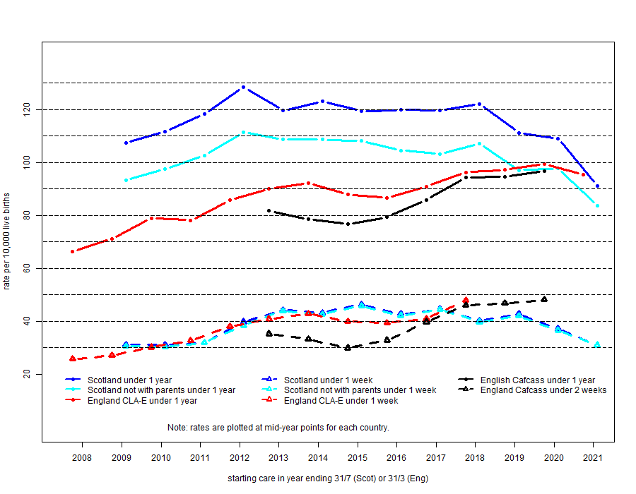

Numbers | Numbers of children starting care in Scotland under 1 year from 1st August to 31st July by administrative year |  |  |  |  |  |  |  |  |  |  |  |  |  |  |  |  |  | Numbers of children starting care in England under 1 year from 1st April to 31st March by administrative year
All | Year start care | 2008/9 | 2009/10 | 2010/11 | 2011/12 | 2012/13 | 2013/14 | 2014/15 | 2015/16 | 2016/17 | 2017/18 | 2018/19 | 2019/20 | 2020/21 | All years | % | all from April 2008 | Numbers | Year start care | 2007/8 | 2008/9 | 2009/10 | 2010/11 | 2011/12 | 2012/13 | 2013/14 | 2014/15 | 2015/16 | 2016/17 | 2017/18 | 2018/19 | 2019/20 | 2020/21 | All years | %
 | Newborn <1 week | 180 | 180 | 190 | 230 | 250 | 240 | 260 | 240 | 240 | 210 | 220 | 180 | 150 | 2770 | 34% | 2,820 | All from CLA-E data | Newborn <1 week | 1700 | 1830 | 2040 | 2250 | 2630 | 2810 | 2850 | 2640 | 2620 | 2810 | 3080 |  |  |  | 27,260 | 44%
 | 1-3 weeks | 90 | 80 | 100 | 110 | 100 | 100 | 90 | 80 | 80 | 80 | 60 | 80 | 80 | 1130 | 14% | 1,150 |  | 1-3 weeks | 610 | 630 | 740 | 660 | 690 | 780 | 740 | 670 | 650 | 780 | 700 |  |  |  | 7,650 | 12%
 | 4-12 weeks | 80 | 80 | 100 | 110 | 90 | 70 | 90 | 90 | 100 | 90 | 80 | 80 | 60 | 1130 | 14% | 1,150 |  | 4-12 weeks | 720 | 730 | 820 | 830 | 910 | 870 | 820 | 840 | 880 | 870 | 850 |  |  |  | 9,140 | 15%
 | 13-25 weeks | 90 | 110 | 120 | 110 | 80 | 100 | 80 | 80 | 70 | 80 | 70 | 70 | 60 | 1120 | 14% | 1,150 |  | 13-25 weeks | 550 | 650 | 730 | 660 | 720 | 720 | 690 | 660 | 640 | 720 | 620 |  |  |  | 7,360 | 12%
 | 26_38 weeks | 100 | 100 | 100 | 90 | 80 | 100 | 80 | 90 | 60 | 90 | 70 | 70 | 40 | 1070 | 13% | 1,130 |  | 26_38 weeks | 430 | 480 | 520 | 490 | 480 | 520 | 490 | 480 | 490 | 520 | 480 |  |  |  | 5,380 | 9%
 | 39-52 weeks | 90 | 110 | 80 | 100 | 70 | 80 | 70 | 70 | 90 | 80 | 60 | 50 | 50 | 990 | 12% | 1,050 |  | 39-52 weeks | 370 | 460 | 480 | 480 | 480 | 480 | 530 | 530 | 470 | 480 | 440 |  |  |  | 5,200 | 8%
 | all under 1 year | 640 | 660 | 700 | 750 | 680 | 690 | 670 | 660 | 640 | 630 | 560 | 520 | 430 | 8230 | 100% | 8,450 |  | all under 1 year | 4,380 | 4,780 | 5,330 | 5,370 | 5,910 | 6,180 | 6,120 | 5,820 | 5,750 | 6,180 | 6,160 | 6,030 | 5,990 | 5,620 | 61,990 | 100%
 | Live births* | 59,460 | 58,900 | 58,670 | 58,260 | 56,850 | 56,430 | 55,780 | 54,740 | 53,540 | 51,960 | 50,460 | 48,080 | 47,380 |  |  |  |  | Live births* | 659,720 | 672,370 | 675,050 | 687,290 | 689,650 | 686,810 | 663,760 | 662,220 | 664,090 | 686,810 | 641,510 | 621,860 | 604,180 | 587,880
 | * These numbers were obtained by a weighted average of the live births for two years contributing to each period. |  |  |  |  |  |  |  |  |  |  |  |  |  |  |  |  |  | * These numbers were obtained by a weighted average of the live births for two years contributing to each period.

Numbers | All children starting care in Scotland not placed with parents under 1 year by year starting care from 1st August to 31st July | )
Not with parents(s) | Year start care | 2008/9 | 2009/10 | 2010/11 | 2011/12 | 2012/13 | 2013/14 | 2014/15 | 2015/16 | 2016/17 | 2017/18 | 2018/19 | 2010/20 | 2020/21 | All years | % | all from April 2008 | From CAFCASS data | Year start care |  |  |  |  |  | 2012/13 | 2013/14 | 2014/15 | 2015/16 | 2016/17 | 2017/18 | 2018/19 | 2019/20
 | Newborn <1 week | 180 | 180 | 190 | 220 | 250 | 240 | 260 | 230 | 240 | 210 | 210 | 180 | 150 | 2730 | 38% |  |  | Newborn <2 weeks |  |  |  |  |  | 2426 | 2208 | 1984 | 2187 | 2733 | 2960 | 2909 | 2914
 | 1-3 weeks | 90 | 80 | 100 | 110 | 100 | 100 | 90 | 80 | 80 | 80 | 70 | 80 | 80 | 1110 | 15% |  |  | 2-3 weeks |  |  |  |  |  | 521 | 628 | 467 | 522 | 493 | 481 | 500 | 431
 | 4-12 weeks | 80 | 80 | 100 | 110 | 90 | 70 | 90 | 80 | 90 | 80 | 70 | 80 | 50 | 1070 | 15% |  |  | 4-12 weeks |  |  |  |  |  | 831 | 696 | 795 | 624 | 765 | 801 | 758 | 718
 | 13-25 weeks | 70 | 90 | 100 | 90 | 70 | 80 | 70 | 70 | 50 | 60 | 60 | 60 | 40 | 900 | 12% |  |  | 13-25 weeks |  |  |  |  |  | 768 | 718 | 759 | 763 | 790 | 716 | 684 | 714
 | 26_38 weeks | 60 | 70 | 60 | 70 | 60 | 80 | 60 | 60 | 30 | 70 | 50 | 40 | 40 | 750 | 10% |  |  | 26_38 weeks |  |  |  |  |  | 533 | 476 | 543 | 566 | 556 | 520 | 501 | 494
 | 39-52 weeks | 70 | 80 | 60 | 60 | 50 | 50 | 40 | 50 | 60 | 60 | 40 | 40 | 40 | 700 | 10% |  |  | 39-52 weeks |  |  |  |  |  | 439 | 438 | 474 | 541 | 501 | 500 | 447 | 498
 | all under 1 year | 560 | 570 | 600 | 650 | 610 | 610 | 600 | 570 | 550 | 560 | 490 | 470 | 400 | 7250 | 100% |  |  | missing |  |  |  |  |  | 95 | 54 | 59 | 65 | 65 | 72 | 72 | 49
 | Live births* | 59,460 | 58,900 | 58,670 | 58,260 | 56,850 | 56,430 | 55,780 | 54,740 | 53,540 | 51,960 | 50,460 | 48,080 | 47,380 |  |  |  |  | All under 1 year |  |  |  |  |  | 5613 | 5218 | 5081 | 5268 | 5903 | 6050 | 5871 | 5818
 | * These numbers were obtained by a weighted average of the live births for two years contributing to each period.

Rates | Rates per 10,000 live births calculated from data above # |  |  |  |  |  |  |  |  |  |  |  |  |  |  |  |  |  | Rates per 10,000 live births calculated from data above#
 | Year start care | 2008/9 | 2009/10 | 2010/11 | 2011/12 | 2012/13 | 2013/14 | 2014/15 | 2015/16 | 2016/17 | 2017/18 | 2018/19 | 2010/20 | 2020/21 |  |  |  |  |  | 2007/8 | 2008/9 | 2009/10 | 2010/11 | 2011/12 | 2012/13 | 2013/14 | 2014/15 | 2015/16 | 2016/17 | 2017/18 | 2018/19 | 2019/20 | 2020/21
 | Rates Under 1 year |  |  |  |  |  |  |  |  |  |  |  |  |  |  |  |  | Rates | Rates Under 1 year
 | Scotland | 107.3 | 111.6 | 118.4 | 128.4 | 119.6 | 123 | 119.4 | 119.8 | 119.7 | 122 | 111.2 | 109 | 91.2 |  |  |  |  | England CLA-E data | 66.4 | 71.1 | 79.0 | 78.1 | 85.7 | 90.0 | 92.2 | 87.9 | 86.6 | 90.0 | 96.0 | 97.2 | 99.5 | 95.5
 | Scotland not with parents | 93.3 | 97.5 | 102.6 | 111.4 | 108.7 | 108.6 | 108.1 | 104.5 | 103.1 | 107 | 97.1 | 97.7 | 83.6 |  |  |  |  | England CAFCASS |  |  |  |  |  | 81.7 | 78.6 | 76.7 | 79.3 | 85.9 | 94.3 | 94.6 | 96.6
 | Rates under 1 week |  |  |  |  |  |  |  |  |  |  |  |  |  |  |  |  |  | Rates under 1 week (CLA-E) or under 2weeks (CAFCASS)
 | Scotland | 31.1 | 31.2 | 31.9 | 39.8 | 44.3 | 43.2 | 46.4 | 42.8 | 44.6 | 40.2 | 42.8 | 37.2 | 31 |  |  |  |  | England CLA-E data | 25.8 | 27.2 | 30.2 | 32.7 | 38.1 | 40.9 | 42.9 | 39.9 | 39.5 | 40.9 | 48.0
 | Scotland not with parents | 30.6 | 30.4 | 31.9 | 38.4 | 44 | 42.7 | 45.9 | 42.2 | 44.5 | 39.8 | 42 | 36.6 | 31 |  |  |  |  | England CAFCASS |  |  |  |  |  | 35.3 | 33.3 | 30.0 | 32.9 | 39.8 | 46.1 | 46.8 | 48.2
 | # The percentages calculated from this spreadsheet will differ from the rates given here because of rounding
 |  |  |  |  |  |  |  |  |  |  |  |  |  |  |  |  |  |  | Rates for Cafcass data under 2 weeks ar start of care quoted in Pattison et al. (2021)]$ |  |  |  |  |  | 34.9 | 33.2 | 30.0 | 32.9 | 41.2 | 45.8 | 46.5 | 47.7
 | Difference 1 under 1 year minus under 1 week
 | Scotland | 76.2 | 80.4 | 86.5 | 88.6 | 75.3 | 79.8 | 73 | 77 | 75.1 | 81.8 | 68.4 | 71.8 | 60.2 |  |  |  |  | $ Note the difference in rates is due to minor differences in whart range of dates is used as denominators.
 | Scotland not with parents | 62.7 | 67.1 | 70.7 | 73 | 64.7 | 65.9 | 62.2 | 62.3 | 58.6 | 67.2 | 55.1 | 61.1 | 52.6
 |  |  |  |  |  |  |  |  |  |  |  |  |  |  |  |  |  |  | Cafcass data rate fior 3 weeks to 1 year |  |  |  |  |  | 46.4 | 45.3 | 46.8 | 46.4 | 46.2 | 48.2 | 47.8 | 48.4

 |  |  |  |  |  |  |  |  |  |  |  |  |  |  |  |  |  |  | 0
 |  |  |  |  |  |  |  |  |  |  |  |  |  |  |  |  |  |  | 0
 |  |  |  |  |  |  |  |  |  |  |  |  |  |  |  |  |  |  | 0

Figure 3 data
FIGURE 3
 | All children starting care in Scotland under 1 year by year starting care from 1st April to 31stMarch |  |  |  |  |  |  |  |  | Numbers |  |  |  |  |  |  |  |  | SCRA data as a % of LAC-S
 | As reported from Cusworth et al. 2022 from data provided by SCRA |  |  |  |  |  |  |  |  | All children starting care in in Scotland under 1 year by year starting care from 1st April to 31stMarch (CLA-S data) |  |  |  |  |  |  |  |  | All children starting care in Scotland under 1 year by year starting care from 1st April to 31stMarch
 |  |  |  |  |  |  |  |  |  |  |  |  |  |  |  |  |  |  | where LAC-S are restricted as described below

 |  |  |  |  |  |  |  |  |  | All starting care any legal reason |  |  |  |  |  |  |  |  | LAC-S All starting care any legal reason
 | Year start care | 2013/14 | 2014/15 | 2015/16 | 2016/17 | 2017/18 | 2018/19 | 2019/20 | Total | Year start care | 2013/14 | 2014/15 | 2015/16 | 2016/17 | 2017/18 | 2018/19 | 2019/20 | Total | Year start care | 2013/14 | 2014/15 | 2015/16 | 2016/17 | 2017/18 | 2018/19 | 2019/20 | Total
 | Newborn <1 week | 131 | 154 | 119 | 143 | 125 | 114 | 96 | 882 | Newborn <1 week | 245 | 265 | 228 | 240 | 220 | 229 | 183 | 1610 | Newborn <1 week | 53% | 58% | 52% | 60% | 57% | 50% | 52% | 55%
 | 1-3 weeks | 36 | 47 | 44 | 49 | 41 | 29 | 26 | 272 | 1-3 weeks | 90 | 95 | 83 | 82 | 87 | 60 | 68 | 565 | 1-3 weeks | 40% | 49% | 53% | 60% | 47% | 48% | 38% | 48%
 | 4-12 weeks | 53 | 60 | 67 | 58 | 55 | 45 | 47 | 385 | 4-12 weeks | 76 | 89 | 85 | 109 | 82 | 83 | 76 | 600 | 4-12 weeks | 70% | 67% | 79% | 53% | 67% | 54% | 62% | 64%
 | 13-25 weeks | 83 | 76 | 61 | 68 | 64 | 68 | 76 | 496 | 13-25 weeks | 93 | 91 | 78 | 81 | 65 | 74 | 84 | 566 | 13-25 weeks | 89% | 84% | 78% | 84% | 98% | 92% | 90% | 88%
 | 26-52 weeks | 122 | 117 | 144 | 125 | 95 | 128 | 83 | 814 | 26-52 weeks | 170 | 157 | 155 | 169 | 151 | 160 | 128 | 1090 | 26-52 weeks | 72% | 75% | 93% | 74% | 63% | 80% | 65% | 75%
 | all under 1 year | 425 | 454 | 435 | 443 | 380 | 384 | 328 | 2,849 | all under 1 year | 674 | 697 | 629 | 681 | 605 | 606 | 539 | 4,431 | all under 1 year | 63% | 65% | 69% | 65% | 63% | 63% | 61% | 64%
 | Live births* | 56,430 | 55,780 | 54,740 | 53,540 | 51,960 | 50,460 | 48,080 | 370,990 | Live births* | 56,430 | 55,780 | 54,740 | 53,540 | 51,960 | 50,460 | 48,080 | 370,990 | Live births* | 56,430 | 55,780 | 54,740 | 53,540 | 51,960 | 50,460 | 48,080 | 370,990

 |  |  |  |  |  |  |  |  |  | Starting care away from home any legal reason |  |  |  |  |  |  |  |  | LAC-S starting care away from home any legal reason
 |  |  |  |  |  |  |  |  |  | Year start care | 2013/14 | 2014/15 | 2015/16 | 2016/17 | 2017/18 | 2018/19 | 2019/20 | Total | Year start care | 2013/14 | 2014/15 | 2015/16 | 2016/17 | 2017/18 | 2018/19 | 2019/20 | Total
 | Rates Under 1 year |  |  |  |  |  |  |  |  | Newborn <1 week | 242 | 261 | 226 | 237 | 219 | 225 | 179 | 1589 | Newborn <1 week | 54% | 59% | 53% | 60% | 57% | 51% | 54% | 56%
 | Year start care | 2013/14 | 2014/15 | 2015/16 | 2016/17 | 2017/18 | 2018/19 | 2019/20 |  | 1-3 weeks | 90 | 93 | 81 | 83 | 87 | 61 | 68 | 563 | 1-3 weeks | 40% | 51% | 54% | 59% | 47% | 48% | 38% | 48%
 | SCRA | 75.3 | 81.4 | 79.5 | 82.7 | 73.1 | 76.1 | 68.2 |  | 4-12 weeks | 75 | 86 | 78 | 96 | 77 | 72 | 72 | 556 | 4-12 weeks | 71% | 70% | 86% | 60% | 71% | 63% | 65% | 69%
 | LAC-S | 119.4 | 125.0 | 114.9 | 127.2 | 116.4 | 120.1 | 112.1 |  | 13-25 weeks | 73 | 73 | 71 | 62 | 47 | 59 | 67 | 452 | 13-25 weeks | 114% | 104% | 86% | 110% | 136% | 115% | 113% | 110%
 | LAC-S not with parents | 107.6 | 112.0 | 103.6 | 108.0 | 102.4 | 104.0 | 98.0 |  | 26-52 weeks | 127 | 112 | 111 | 100 | 102 | 108 | 85 | 745 | 26-52 weeks | 96% | 104% | 130% | 125% | 93% | 119% | 98% | 109%
 | LAC-S in non voluntary care | 82.6 | 93.0 | 83.1 | 92.5 | 82.4 | 87.0 | 73.8 |  | all under 1 year | 607 | 625 | 567 | 578 | 532 | 525 | 471 | 3,905 | all under 1 year | 70% | 73% | 77% | 77% | 71% | 73% | 70% | 73%
 | LAC-S in non voluntary care not with parents | 71.1 | 80.3 | 72.0 | 73.4 | 68.7 | 71.9 | 60.3 |  | Live births* | 56,430 | 55,780 | 54,740 | 53,540 | 51,960 | 50,460 | 48,080 | 370,990 | Live births* | 56,430 | 55,780 | 54,740 | 53,540 | 51,960 | 50,460 | 48,080 | 370,990

 | Rates Under 1 week |  |  |  |  |  |  |  |  | Starting non voluntary care |  |  |  |  |  |  |  |  | LAC-S Starting non voluntary care
 | Year start care | 2013/14 | 2014/15 | 2015/16 | 2016/17 | 2017/18 | 2018/19 | 2019/20 |  | Year start care | 2013/14 | 2014/15 | 2015/16 | 2016/17 | 2017/18 | 2018/19 | 2019/20 | Total | Year start care | 2013/14 | 2014/15 | 2015/16 | 2016/17 | 2017/18 | 2018/19 | 2019/20 | Total
 | SCRA | 23.2 | 27.6 | 21.7 | 26.7 | 24.1 | 22.6 | 20.0 |  | Newborn <1 week | 130 | 152 | 116 | 138 | 117 | 125 | 98 | 876 | Newborn <1 week | 101% | 101% | 103% | 104% | 107% | 91% | 98% | 101%
 | LAC-S | 43.4 | 47.5 | 41.7 | 44.8 | 42.3 | 45.4 | 38.1 |  | 1-3 weeks | 42 | 56 | 49 | 49 | 46 | 29 | 29 | 300 | 1-3 weeks | 86% | 84% | 90% | 100% | 89% | 100% | 90% | 91%
 | LAC-S not with parents | 42.9 | 46.8 | 41.3 | 44.3 | 42.1 | 44.6 | 37.2 |  | 4-12 weeks | 46 | 66 | 60 | 57 | 56 | 57 | 43 | 385 | 4-12 weeks | 115% | 91% | 112% | 102% | 98% | 79% | 109% | 100%
 | LAC-S in non voluntary care | 23.0 | 27.2 | 21.2 | 25.8 | 22.5 | 24.8 | 20.4 |  | 13-25 weeks | 92 | 77 | 61 | 75 | 68 | 73 | 71 | 517 | 13-25 weeks | 90% | 99% | 100% | 91% | 94% | 93% | 107% | 96%
 | LAC-S in non voluntary care not with parents | 22.9 | 26.5 | 21.0 | 25.4 | 22.5 | 24.4 | 20.0 |  | 26-52 weeks | 156 | 168 | 169 | 176 | 141 | 155 | 114 | 1079 | 26-52 weeks | 78% | 70% | 85% | 71% | 67% | 83% | 73% | 75%
 |  |  |  |  |  |  |  |  |  | all under 1 year | 466 | 519 | 455 | 495 | 428 | 439 | 355 | 3,157 | all under 1 year | 91% | 87% | 96% | 89% | 89% | 87% | 92% | 90%
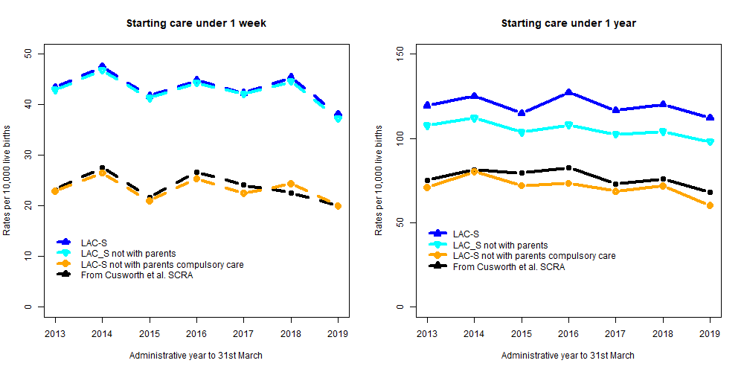
 |  |  |  |  |  |  |  |  |  | Live births* | 56,430 | 55,780 | 54,740 | 53,540 | 51,960 | 50,460 | 48,080 | 370,990 | Live births* | 56,430 | 55,780 | 54,740 | 53,540 | 51,960 | 50,460 | 48,080 | 370,990

 |  |  |  |  |  |  |  |  |  | Starting non voluntary care away from home |  |  |  |  |  |  |  |  | LAC-S Starting non voluntary care away from home
 |  |  |  |  |  |  |  |  |  | Year start care | 2013/14 | 2014/15 | 2015/16 | 2016/17 | 2017/18 | 2018/19 | 2019/20 | Total | Year start care | 2013/14 | 2014/15 | 2015/16 | 2016/17 | 2017/18 | 2018/19 | 2019/20 | Total
 |  |  |  |  |  |  |  |  |  | Newborn <1 week | 129 | 148 | 115 | 136 | 117 | 123 | 96 | 864 | Newborn <1 week | 98% | 96% | 97% | 95% | 94% | 108% | 100% | 98%
 |  |  |  |  |  |  |  |  |  | 1-3 weeks | 42 | 54 | 47 | 49 | 46 | 29 | 29 | 296 | 1-3 weeks | 117% | 115% | 107% | 100% | 112% | 100% | 112% | 109%
 |  |  |  |  |  |  |  |  |  | 4-12 weeks | 45 | 64 | 52 | 45 | 51 | 47 | 40 | 344 | 4-12 weeks | 85% | 107% | 78% | 78% | 93% | 104% | 85% | 89%
 |  |  |  |  |  |  |  |  |  | 13-25 weeks | 72 | 58 | 54 | 56 | 50 | 58 | 54 | 402 | 13-25 weeks | 87% | 76% | 89% | 82% | 78% | 85% | 71% | 81%
 |  |  |  |  |  |  |  |  |  | 26-52 weeks | 113 | 124 | 126 | 107 | 93 | 106 | 71 | 740 | 26-52 weeks | 93% | 106% | 88% | 86% | 98% | 83% | 86% | 91%
 |  |  |  |  |  |  |  |  |  | all under 1 year | 401 | 448 | 394 | 393 | 357 | 363 | 290 | 2,646 | all under 1 year | 94% | 99% | 91% | 89% | 94% | 95% | 88% | 93%
 |  |  |  |  |  |  |  |  |  | Live births* | 56,430 | 55,780 | 54,740 | 53,540 | 51,960 | 50,460 | 48,080 | 370,990 | Live births* | 56,430 | 55,780 | 54,740 | 53,540 | 51,960 | 50,460 | 48,080 | 370,990

Figure 4 data
FIGURE 4
 | Percentage of legal reasons for children starting care under 1 year by weeks from entering care
 | Calculated for all children entering care in LAC-S data
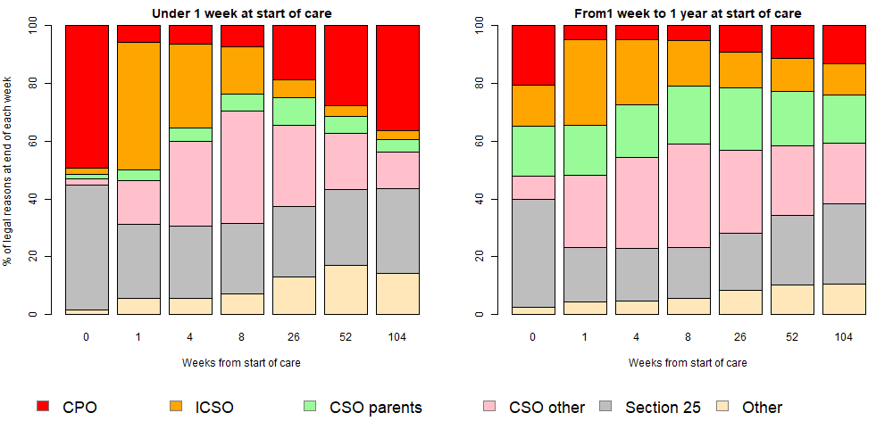
 | Children entering care under 1 week
 | Weeks from Start of care | 0 | 1 | 4 | 8 | 26 | 1 year | 2 years
 | CPO | 43.6 | 5.1 | 5.9 | 5.6 | 12.9 | 19.2 | 22.7
 | ICSO | 2.5 | 38.9 | 26.1 | 21.1 | 10.7 | 7.2 | 4.9
 | CSO at home | 1.5 | 3.6 | 4.5 | 5 | 9.3 | 7.7 | 6
 | CSO away from home | 4.3 | 17.5 | 29.3 | 34 | 29.2 | 24.8 | 22.5
 | Section 25 | 43.5 | 27.1 | 26.6 | 26 | 25 | 24.9 | 26.3
 | Other | 4.7 | 7.7 | 7.6 | 8.2 | 12.9 | 16.2 | 17.7

 | Children entering care from 1 week to 1 year
 | Weeks from Start of care | 0 | 1 | 4 | 8 | 26 | 1 year | 2 years
 | CPO | 17.8 | 4.3 | 4.4 | 4.2 | 7 | 8.5 | 9.1
 | ICSO | 12.8 | 25.6 | 19.5 | 17.5 | 13.1 | 12.1 | 10.3
 | CSO at home | 16.4 | 16.3 | 17.3 | 17.9 | 20.2 | 18.2 | 16
 | CSO away from home | 8.8 | 24.7 | 30.1 | 31.8 | 27.4 | 24.5 | 24.1
 | Section 25 | 36.6 | 20.7 | 20 | 19.6 | 20.5 | 23.3 | 25.3
 | Other | 7.6 | 8.5 | 8.6 | 9.1 | 11.7 | 13.4 | 15.2

Figure 9 data
Figure 9

Starting care under 1 week

 |  | Birthday aged
Where on birthday | start | 1 | 2 | 3 | 4 | 5 | 6 | 7 | 8 | 9 | 10 | 11 | 12 | NOTE: The darker shading is for children who are no longer lokked after.
1 parents not looked after | 0 | 12 | 17.4 | 20.2 | 20.7 | 20.8 | 21.5 | 21 | 20.9 | 21 | 21.3 | 21 | 20.3
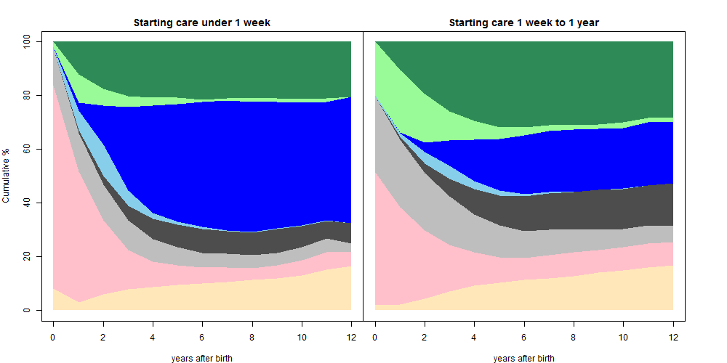
2 parents looked after | 1.7 | 10.8 | 6.4 | 4 | 2.9 | 2.2 | 0.9 | 0.9 | 1.5 | 1.4 | 1.1 | 1.2 | 0
3 adopted | 0 | 3 | 14.6 | 31.1 | 40.2 | 43.9 | 46.5 | 48.4 | 48.3 | 47 | 45.8 | 44.2 | 47
4 prospective adopters | 0.7 | 7.2 | 11.6 | 5.8 | 2.2 | 1.1 | 0.6 | 0.2 | 0.3 | 0.2 | 0.2 | 0.2 | 0
5 friends/relatives not looked after | 0 | 1.2 | 3.3 | 5.4 | 7.4 | 8.5 | 8.9 | 8.5 | 8.5 | 8.8 | 8 | 6.7 | 7.6
6 friends/relatives looked after | 13.7 | 14.2 | 13.1 | 10.9 | 8.4 | 6.8 | 5.5 | 5.2 | 4.7 | 4.7 | 4.8 | 5 | 3.4
7 fostered | 75.7 | 48.9 | 27.7 | 14.6 | 9.7 | 7.2 | 6 | 5.3 | 4.4 | 4.9 | 5.6 | 6.4 | 5.1
8 other | 8.1 | 2.9 | 6 | 7.9 | 8.6 | 9.5 | 10 | 10.6 | 11.4 | 11.9 | 13.1 | 15.3 | 16.5
Number in follow up | 2820 | 2670 | 2490 | 2280 | 2070 | 1830 | 1590 | 1340 | 1090 | 840 | 610 | 420 | 240

Starting care 1 week to 1 year

 |  | Birthday aged
Where on birthday | start | 1 | 2 | 3 | 4 | 5 | 6 | 7 | 8 | 9 | 10 | 11 | 12
1 parents not looked after | 0 | 10.3 | 19.3 | 25.8 | 29.3 | 31.7 | 31.7 | 30.9 | 31 | 30.6 | 29.9 | 28.4 | 28.3
2 parents looked after | 20 | 23.3 | 18.1 | 11 | 7.1 | 4.5 | 3.1 | 2.3 | 1.7 | 1.8 | 2.1 | 1.5 | 1.5
3 adopted | 0 | 0.3 | 3.5 | 9.5 | 15.4 | 19.2 | 21.9 | 22.8 | 23.1 | 22.6 | 22.5 | 23.5 | 22.9
4 prospective adopters | 0.3 | 1.4 | 4.4 | 4.6 | 3 | 1.9 | 0.8 | 0.4 | 0.1 | 0.1 | 0.2 | 0 | 0
5 friends/relatives not looked after | 0 | 1.1 | 3.4 | 6.7 | 9.4 | 11.2 | 13.1 | 13.5 | 13.8 | 14.7 | 14.9 | 14.9 | 15.8
6 friends/relatives looked after | 28.2 | 25.1 | 21.5 | 18.1 | 14.2 | 11.9 | 9.9 | 9.6 | 8.7 | 7.6 | 6.9 | 6.8 | 6
7 fostered | 49.5 | 36.3 | 25.3 | 17.3 | 12.5 | 9.4 | 8.2 | 8.5 | 8.9 | 8.5 | 8.7 | 9 | 8.6
8 other | 2 | 2.1 | 4.5 | 7.1 | 9.1 | 10.3 | 11.4 | 12 | 12.8 | 14 | 14.8 | 15.9 | 16.9
Number in follow up | 5640 | 5450 | 5140 | 4800 | 4390 | 4000 | 3580 | 3160 | 2740 | 2300 | 1810 | 1320 | 840

Figure 12 destinations
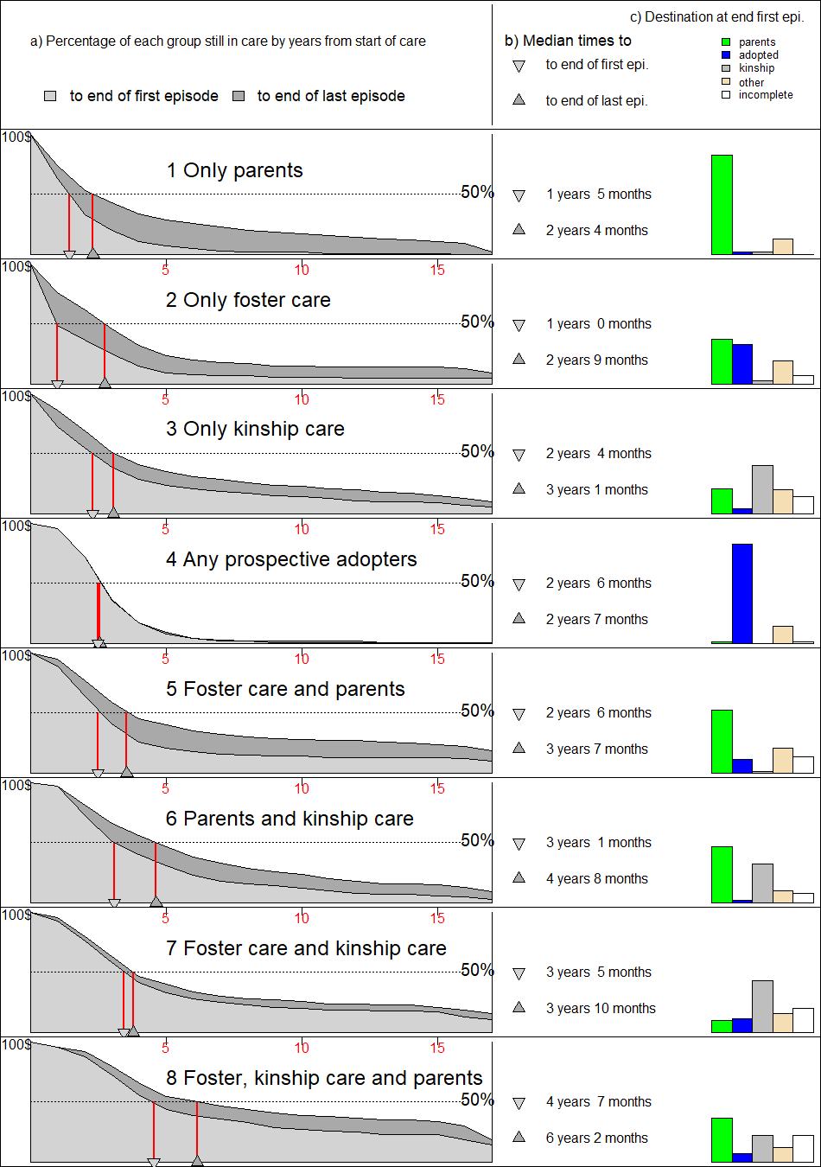

Pattern of care in first episode | Total | Parent(s) | Adopted | Kinship | Other | still in 1st episode
1 Only parents | 559 | 82.6% | 2.0% | 2.1% | 13.2%
2 Only foster care | 1409 | 37.7% | 33.2% | 2.7% | 19.5% | 6.9%
3 Only kinship care | 898 | 20.7% | 4.6% | 40.5% | 19.8% | 14.4%
4 Any prospective adopters | 1234 | 1.5% | 83.1% |  | 14.1% | 1.2%
5 Foster care and parents | 828 | 52.4% | 11.7% | 1.3% | 20.8% | 13.8%
6 Parents and kinship care | 340 | 47.1% | 2.0% | 32.6% | 10.3% | 8.2%
7 Foster and kinship care | 444 | 10.1% | 11.3% | 43.2% | 15.5% | 19.8%
8 Foster and kinship and parents | 264 | 36.4% | 6.8% | 22.0% | 12.5% | 22.3%
All first episodes | 5976 | 32.3% | 28.4% | 13.1% | 16.9% | 8.9%

Adopted from group 4 as % of all adoptions |  |  | 60.3%

Figure 12 detail survival plots
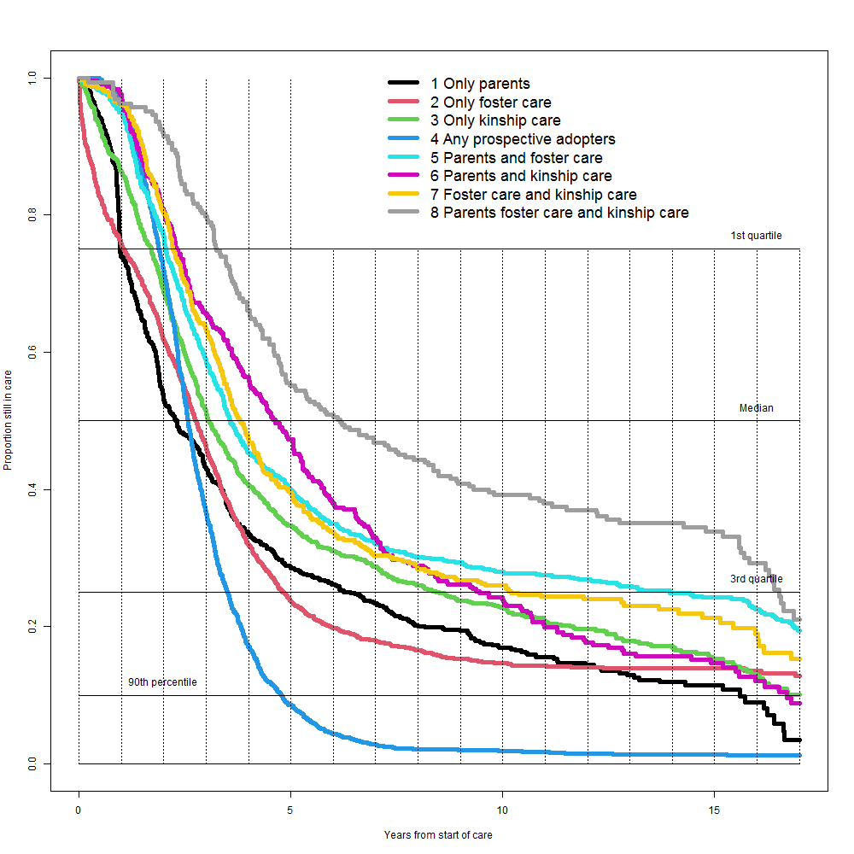
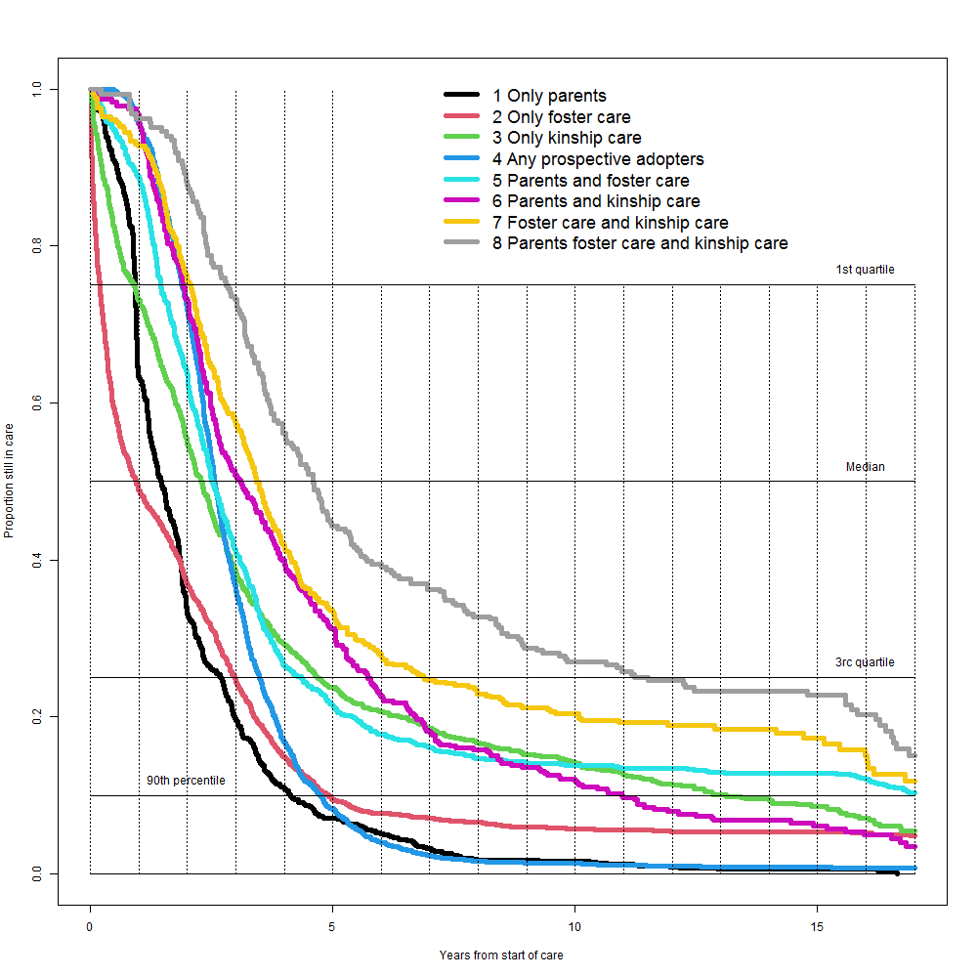
FIGURE 12 | Survival to end of first episode |  |  |  |  |  |  |  |  |  | Survival to end of last complete recorded episode |  |  |  |  |  |  |  |  |  | Survival to end of last complete episode minus survival to end of first episode
 | All chidren starting care under 1 year |  |  |  |  |  |  |  |  |  | All chidren starting care under 1 year |  |  |  |  |  |  |  |  |  | Large percentages indicate subsequent episodes contributing in these years
 | years from start | 1 Only parents | 2 Only foster care | 3 Only kinship care | 4 Any prospective adopters | 5 Parents and foster care | 6 Parents and kinship care | 7 Foster care and kinship care | 8 Parents foster care and kinship care |  |  | 1 Only parents | 2 Only foster care | 3 Only kinship care | 4 Any prospective adopters | 5 Parents and foster care | 6 Parents and kinship care | 7 Foster care and kinship care | 8 Parents foster care and kinship care |  | 1 Only parents | 2 Only foster care | 3 Only kinship care | 4 Any prospective adopters | 5 Parents and foster care | 6 Parents and kinship care | 7 Foster care and kinship care | 8 Parents foster care and kinship care
 | 1 | 0.63 | 0.49 | 0.73 | 0.96 | 0.89 | 0.97 | 0.93 | 0.96 |  | 1 | 0.74 | 0.76 | 0.86 | 0.96 | 0.95 | 0.97 | 0.96 | 0.96 | 1 | 11% | 27% | 13% | 0% | 6% | 0% | 3% | 0%
 | 2 | 0.33 | 0.37 | 0.55 | 0.72 | 0.64 | 0.73 | 0.76 | 0.88 |  | 2 | 0.53 | 0.62 | 0.69 | 0.72 | 0.77 | 0.81 | 0.80 | 0.92 | 2 | 20% | 25% | 14% | 0% | 13% | 8% | 4% | 4%
 | 3 | 0.20 | 0.25 | 0.39 | 0.36 | 0.41 | 0.51 | 0.58 | 0.73 |  | 3 | 0.43 | 0.46 | 0.51 | 0.37 | 0.59 | 0.66 | 0.63 | 0.80 | 3 | 23% | 22% | 13% | 0% | 18% | 15% | 6% | 7%
 | 4 | 0.11 | 0.15 | 0.29 | 0.17 | 0.26 | 0.40 | 0.42 | 0.56 |  | 4 | 0.34 | 0.32 | 0.41 | 0.17 | 0.45 | 0.56 | 0.47 | 0.66 | 4 | 23% | 17% | 11% | 0% | 19% | 16% | 6% | 10%
 | 5 | 0.07 | 0.09 | 0.24 | 0.08 | 0.21 | 0.31 | 0.33 | 0.44 |  | 5 | 0.29 | 0.24 | 0.35 | 0.09 | 0.40 | 0.47 | 0.40 | 0.55 | 5 | 22% | 14% | 11% | 0% | 19% | 16% | 6% | 11%
 | 6 | 0.05 | 0.08 | 0.21 | 0.04 | 0.18 | 0.23 | 0.28 | 0.39 |  | 6 | 0.26 | 0.20 | 0.31 | 0.04 | 0.35 | 0.38 | 0.34 | 0.51 | 6 | 21% | 12% | 10% | 0% | 17% | 15% | 6% | 11%
 | 7 | 0.03 | 0.07 | 0.19 | 0.02 | 0.16 | 0.18 | 0.25 | 0.36 |  | 7 | 0.23 | 0.18 | 0.29 | 0.03 | 0.32 | 0.33 | 0.30 | 0.47 | 7 | 20% | 11% | 10% | 0% | 16% | 15% | 6% | 11%
 | 8 | 0.02 | 0.07 | 0.17 | 0.02 | 0.15 | 0.16 | 0.23 | 0.33 |  | 8 | 0.20 | 0.17 | 0.26 | 0.02 | 0.30 | 0.29 | 0.28 | 0.44 | 8 | 18% | 10% | 9% | 1% | 15% | 13% | 5% | 11%
 | 9 | 0.02 | 0.06 | 0.15 | 0.01 | 0.14 | 0.14 | 0.21 | 0.29 |  | 9 | 0.19 | 0.15 | 0.24 | 0.02 | 0.29 | 0.26 | 0.27 | 0.41 | 9 | 18% | 9% | 9% | 1% | 15% | 12% | 6% | 12%
 | 10 | 0.02 | 0.06 | 0.14 | 0.01 | 0.14 | 0.12 | 0.20 | 0.27 |  | 10 | 0.17 | 0.15 | 0.23 | 0.02 | 0.28 | 0.24 | 0.26 | 0.39 | 10 | 15% | 9% | 9% | 1% | 14% | 12% | 6% | 12%
 | 11 | 0.01 | 0.06 | 0.13 | 0.01 | 0.13 | 0.10 | 0.19 | 0.26 |  | 11 | 0.16 | 0.14 | 0.21 | 0.02 | 0.27 | 0.20 | 0.24 | 0.38 | 11 | 14% | 9% | 8% | 1% | 14% | 10% | 5% | 12%
 | 12 | 0.01 | 0.05 | 0.11 | 0.01 | 0.13 | 0.08 | 0.19 | 0.25 |  | 12 | 0.14 | 0.14 | 0.20 | 0.02 | 0.27 | 0.18 | 0.24 | 0.37 | 12 | 14% | 9% | 8% | 0% | 13% | 10% | 5% | 12%
 | 13 | 0.01 | 0.05 | 0.10 | 0.01 | 0.13 | 0.07 | 0.18 | 0.23 |  | 13 | 0.13 | 0.14 | 0.18 | 0.01 | 0.26 | 0.16 | 0.23 | 0.35 | 13 | 12% | 9% | 8% | 0% | 13% | 9% | 5% | 12%
 | 14 | 0.01 | 0.05 | 0.10 | 0.01 | 0.13 | 0.07 | 0.18 | 0.23 |  | 14 | 0.12 | 0.14 | 0.17 | 0.01 | 0.25 | 0.16 | 0.23 | 0.35 | 14 | 11% | 9% | 8% | 0% | 12% | 9% | 4% | 12%
 | 15 | 0.01 | 0.05 | 0.09 | 0.01 | 0.13 | 0.06 | 0.17 | 0.23 |  | 15 | 0.11 | 0.14 | 0.15 | 0.01 | 0.24 | 0.15 | 0.21 | 0.34 | 15 | 11% | 9% | 7% | 0% | 11% | 9% | 4% | 11%
 | 16 | 0.00 | 0.05 | 0.07 | 0.01 | 0.12 | 0.95 | 0.13 | 0.19 |  | 16 | 0.09 | 0.13 | 0.13 | 0.01 | 0.22 | 0.13 | 0.19 | 0.30 | 16 | 9% | 8% | 6% | 0% | 10% | -82% | 6% | 11%
 | 17 | 0.00 | 0.05 | 0.06 | 0.00 | 0.10 | 0.03 | 0.11 | 0.14 |  | 17 | 0.02 | 0.09 | 0.10 | 0.01 | 0.19 | 0.09 | 0.16 | 0.19 | 17 | 2% | 4% | 4% | 1% | 9% | 6% | 5% | 5%

 |  |  |  |  |  |  |  |  |  | 4.55

